ADIDAS TRAINING LADIES
Brand | Article No. | Image | Description | Quality | Season | Total | RRP | Colour | Product Division | Gender | Sports code | Product group | Size / Quantity
adidas | X13516 | 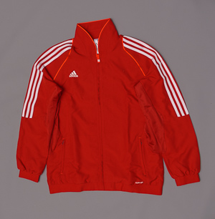 | T12 TEAM JKT W | A | F15 | 203 | 50.00GBP | UNIRED/DKORAN/WHT | APP | Women | TRAINING | JACKETS
 |  |  |  |  |  |  |  |  |  | Article | Size | Qty | EAN
 |  |  |  |  |  |  |  |  |  | X13516/44 | 44 | 6 | 4051932242125
 |  |  |  |  |  |  |  |  |  | X13516/46 | 46 | 97 | 4051932242132
 |  |  |  |  |  |  |  |  |  | X13516/48 | 48 | 27 | 4051932242149
 |  |  |  |  |  |  |  |  |  | X13516/50 | 50 | 37 | 4051932242156
 |  |  |  |  |  |  |  |  |  | X13516/52 | 52 | 36 | 4051932242163

adidas | X13418 | 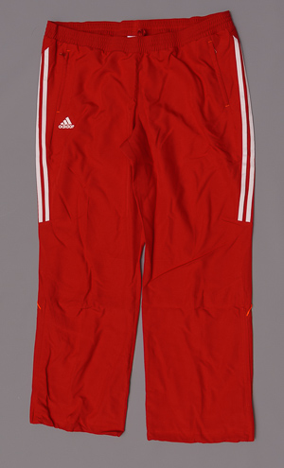 | T12 TEAM P W | A | F15 | 494 | 40.00GBP | UNIRED/DKORAN/WHT | APP | Women | TRAINING | PANTS
 |  |  |  |  |  |  |  |  |  | Article | Size | Qty | EAN
 |  |  |  |  |  |  |  |  |  | X13418/32 | 32 | 60 | 4051932241227
 |  |  |  |  |  |  |  |  |  | X13418/40 | 40 | 4 | 4051932241265
 |  |  |  |  |  |  |  |  |  | X13418/46 | 46 | 164 | 4051932241296
 |  |  |  |  |  |  |  |  |  | X13418/48 | 48 | 144 | 4051932241302
 |  |  |  |  |  |  |  |  |  | X13418/50 | 50 | 54 | 4051932241319
 |  |  |  |  |  |  |  |  |  | X13418/52 | 52 | 68 | 4051932241326

adidas | X13846 | 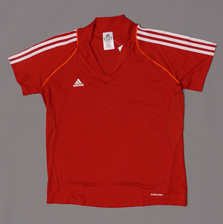 | T12 CC PO W | A | F15 | 92 | 30.00GBP | UNIRED/DKORAN/WHT | APP | Women | TRAINING | POLO SHIRTS
 |  |  |  |  |  |  |  |  |  | Article | Size | Qty | EAN
 |  |  |  |  |  |  |  |  |  | X13846/32 | 32 | 39 | 4051932236742
 |  |  |  |  |  |  |  |  |  | X13846/48 | 48 | 10 | 4051932236827
 |  |  |  |  |  |  |  |  |  | X13846/50 | 50 | 26 | 4051932236834
 |  |  |  |  |  |  |  |  |  | X13846/52 | 52 | 17 | 4051932236841

adidas | X13204 | 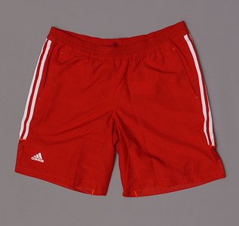 | T12 WV SHORTS W | A | F15 | 439 | 25.00GBP | UNIRED/DKORAN/WHT | APP | Women | TRAINING | SHORTS
 |  |  |  |  |  |  |  |  |  | Article | Size | Qty | EAN
 |  |  |  |  |  |  |  |  |  | X13204/32 | 32 | 114 | 4051932233963
 |  |  |  |  |  |  |  |  |  | X13204/34 | 34 | 278 | 4051932233970
 |  |  |  |  |  |  |  |  |  | X13204/46 | 46 | 37 | 4051932234038
 |  |  |  |  |  |  |  |  |  | X13204/48 | 48 | 10 | 4051932234045

adidas | X13717 | 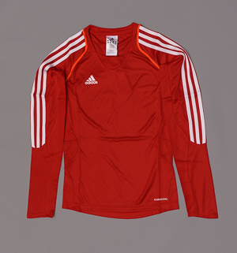 | T12 CR. SWT W | A | F15 | 270 | 50.00GBP | UNIRED/DKORAN/WHT | APP | Women | TRAINING | SWEATSHIRTS
 |  |  |  |  |  |  |  |  |  | Article | Size | Qty | EAN
 |  |  |  |  |  |  |  |  |  | X13717/32 | 32 | 120 | 4051932239194
 |  |  |  |  |  |  |  |  |  | X13717/48 | 48 | 67 | 4051932239279
 |  |  |  |  |  |  |  |  |  | X13717/50 | 50 | 32 | 4051932239286
 |  |  |  |  |  |  |  |  |  | X13717/52 | 52 | 51 | 4051932239293

adidas | X13650 | 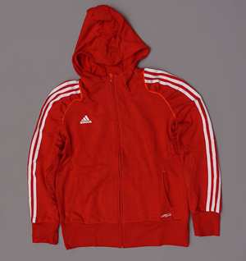 | T12 HD W | A | F15 | 13 | 55.00GBP | UNIRED/DKORAN/WHT | APP | Women | TRAINING | SWEATSHIRTS
 |  |  |  |  |  |  |  |  |  | Article | Size | Qty | EAN
 |  |  |  |  |  |  |  |  |  | X13650/46 | 46 | 5 | 4051932240107
 |  |  |  |  |  |  |  |  |  | X13650/48 | 48 | 4 | 4051932240114
 |  |  |  |  |  |  |  |  |  | X13650/50 | 50 | 2 | 4051932240121
 |  |  |  |  |  |  |  |  |  | X13650/52 | 52 | 2 | 4051932240138

adidas | X13864 | 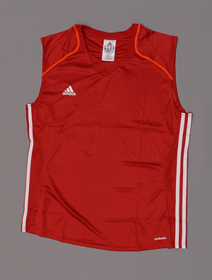 | T12 CC SL TEE W | A | F15 | 599 | 22.00GBP | UNIRED/DKORAN/WHT | APP | Women | TRAINING | T-SHIRTS
 |  |  |  |  |  |  |  |  |  | Article | Size | Qty | EAN
 |  |  |  |  |  |  |  |  |  | X13864/44 | 44 | 162 | 4051932234687
 |  |  |  |  |  |  |  |  |  | X13864/46 | 46 | 162 | 4051932234694
 |  |  |  |  |  |  |  |  |  | X13864/48 | 48 | 143 | 4051932234700
 |  |  |  |  |  |  |  |  |  | X13864/50 | 50 | 61 | 4051932234717
 |  |  |  |  |  |  |  |  |  | X13864/52 | 52 | 71 | 4051932234724

adidas | X13171 |  | T12 CC LS TEE W | A | F15 | 495 | 32.00GBP | UNIRED/DKORAN/WHT | APP | Women | TRAINING | T-SHIRTS
 |  |  |  |  |  |  |  |  |  | Article | Size | Qty | EAN
 |  |  |  |  |  |  |  |  |  | X13171/32 | 32 | 192 | 4051932234953
 |  |  |  |  |  |  |  |  |  | X13171/34 | 34 | 145 | 4051932234960
 |  |  |  |  |  |  |  |  |  | X13171/48 | 48 | 79 | 4051932235035
 |  |  |  |  |  |  |  |  |  | X13171/50 | 50 | 37 | 4051932235042
 |  |  |  |  |  |  |  |  |  | X13171/52 | 52 | 42 | 4051932235059

adidas | X13801 | 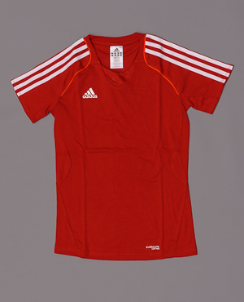 | T12 TEAM SS T W | A | F15 | 211 | 30.00GBP | UNIRED/DKORAN/WHT | APP | Women | TRAINING | T-SHIRTS
 |  |  |  |  |  |  |  |  |  | Article | Size | Qty | EAN
 |  |  |  |  |  |  |  |  |  | X13801/32 | 32 | 69 | 4051932237589
 |  |  |  |  |  |  |  |  |  | X13801/46 | 46 | 54 | 405193223237657
 |  |  |  |  |  |  |  |  |  | X13801/48 | 48 | 29 | 4051932237664
 |  |  |  |  |  |  |  |  |  | X13801/50 | 50 | 29 | 4051932237671
 |  |  |  |  |  |  |  |  |  | X13801/52 | 52 | 30 | 4051932237688

adidas | X13855 | 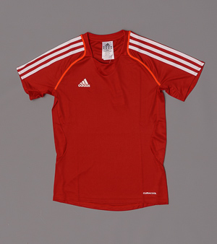 | T12 CC SS TEE W | A | F15 | 154 | 25.00GBP | UNIRED/DKORAN/WHT | APP | Women | TRAINING | T-SHIRTS
 |  |  |  |  |  |  |  |  |  | Article | Size | Qty | EAN
 |  |  |  |  |  |  |  |  |  | X13855/34 | 34 | 1 | 4051932235806
 |  |  |  |  |  |  |  |  |  | X13855/46 | 46 | 70 | 4051932235868
 |  |  |  |  |  |  |  |  |  | X13855/48 | 48 | 25 | 4051932235875
 |  |  |  |  |  |  |  |  |  | X13855/50 | 50 | 28 | 4051932235882
 |  |  |  |  |  |  |  |  |  | X13855/52 | 52 | 30 | 4051932235899

